System model
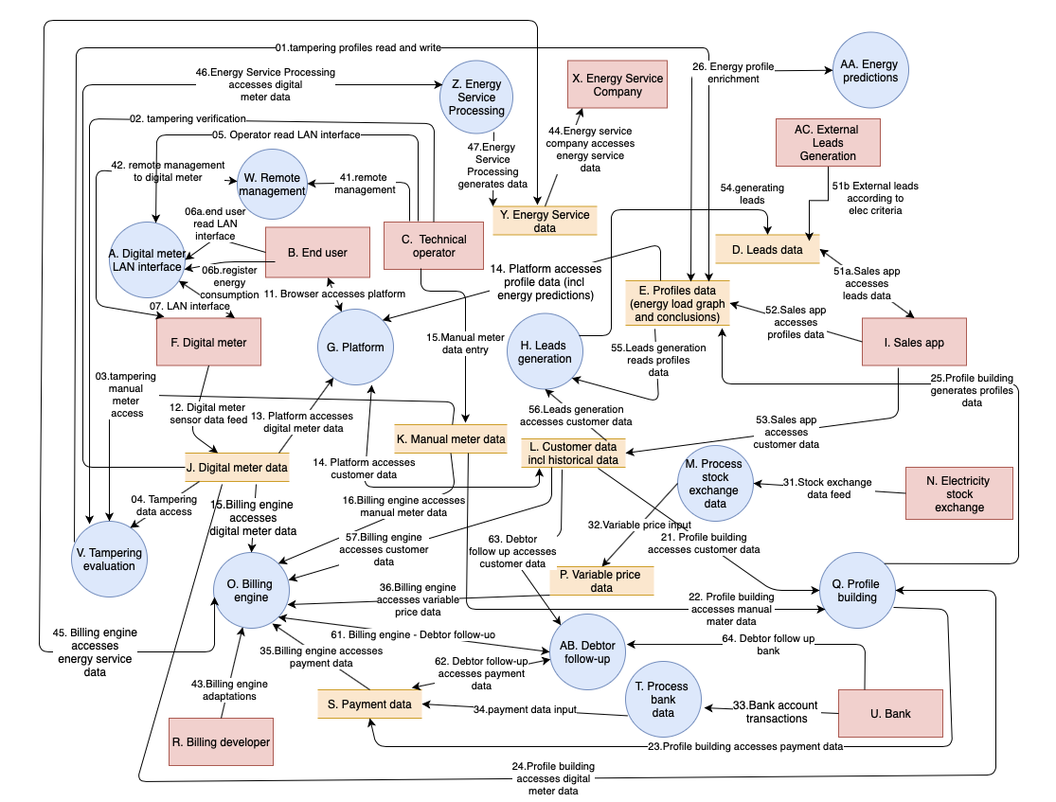
 | : System & Processes
 | : External Entity
 | : Data

A
J | (J -> V)
V
E | (V -> E)

